1. Title Page
Instacart Grocery Basket Analysis

Project Name: Instacart Grocery Basket Analysis
Date: 9/27/2022
Analyst Name: Gwyn Reniers

Contents:
Population Flow
Consistency checks
Wrangling steps
Column derivations
Visualizations
Recommendations

The Instacart Online Grocery Shopping Dataset 2017”, Accessed from https://www.instacart.com/datasets/grocery-shopping-2017 on 08/01/2022.
The customer data and the “prices” column in the products data set were both fabricated for the purpose of this analysis.

2. Population Flow
Title page

Population flow

Exclusion flag
Condition: max_order < 5
Obervations to be removed: 1,440,295
Final total count of order_products_all: 30,964,564

Orders_products_combined
Orders_products_merged
Orders_products_all

Total: 32,404,859
Total: 32,434,489
Total: 32,404,859

1.) The grey boxes in the first row of the population flow represent the original data sets as they were when you downloaded them. In the Total fields you need to add the count of the rows when you imported the data set into Jupyter.
2.) The second row of boxes (coloured) represents the data sets after you manipulated them, e.g., removed missing values and duplicates. In the Total fields you need to add the count of the rows after conducting these operations. This offers a visual oveview of how the data flows throughout the data consistency checks.
3.) The third row, where also the arrows are coloured, represents the merges you performed between the datasets. In the Total fields you need to add the count of the rows in the merged datasets, so that you end up with the final dataset (in the red box). Keep in mind the final dataset should be without exclusions (based on the exclusion flag).

3. Consistency checks
 |  |  |  |  | Title page
Consistency checks

Dataset | Column | Missing values | Missing values treatment | Duplicates
Orders | days_since_prior_order | 206209 NaN | nothing - indicates first order | no duplicate values found

products | product_name | 16 NaN | dataset without missing values created
 | prices | 2 values>25 | changed to NaN
 |  |  |  | 5 records with exact duplicates removed

orders_products_prior |  | no missing values found |  | no duplicate values found
customers | first_name | 11259 NaN | nothing-name will be removed later on | no duplicate values found

4. Wrangling steps
 |  |  |  |  | Title page
Wrangling steps

Dataset | Columns dropped | Columns renamed | Columns' type changed | Comment/Reason
orders | eval_set |  |  | not necessary for analysis
 |  | order_dow-> order_day_of_week |  | name was not clear
 |  | user_id->customer_id |  | name was not clear
 |  |  | order_id-> str | column acts as key
orders_products_combined |  |  | customer_id | reduced to int32
 |  |  | order_number | reduced to int8
 |  |  | order_day_of_week | reduced to int8
 |  |  | order_hour_of_day | reduced to int8
 |  |  | days_since_prior_order | reduced to float16
 |  |  | product_id | reduced to int32
 |  |  | add_to_cart_order | reduced to int8
 |  |  | reordered | reduced to int8
customers
 |  | surnam-> surname |  | name was not clear
 |  | n_dependants-> number_of_dependants |  | name was not clear
 |  |  | customer_id | reduced to int32
 |  |  | first_name | mixed type data
 |  |  | age | reduced to int8
 |  |  | #_of_dependants | reduced to int8
 |  |  | income | reduced to int32
orders_products_merged |  |  | order_id | reduced to int32
 |  |  | department_id | reduced to int8
 |  |  | aisle_id | reduced to int16
 |  |  | average_price | reduced to float16
 |  |  | prices | reduced to float16
 | __merge |  |  | reduce memory
 | aisle_id |  |  | reduce memory
departments |  |  | department_id | reduced to int8
orders_products_all | first_name |  |  | PII issues
 | last_name |  |  | PII issues
 | department_id |  |  | reduce memory

5. Column derivations
 |  |  |  |  | Title page

Column derivations and aggregations

In this tab you should add tables below that the frequences of flags/label variables that you produced after deriving them. NB: don't do this for continuous variables, only for flags.
Dataset | New column | Column/s it was derived from | Conditions | Code
orders_products_merged | price_range | prices | If price <= $5, it will be labeled a “low-range product.” If price > $5 but l<= $15, it will be labeled a “mid-range product.” If price > $15, it will be labeled a “high-range product.” | df_merged.loc[df_merged['prices']>15,'price_range']='High-range product' df_merged.loc[(df_merged['prices']>5)&(df_merged['prices']<=15), 'price_range']='Mid-range product' df_merged.loc[df_merged['prices']<=5, 'price_range']='Low-range product'
 | busiest_day | orders_day_of_week | if day 0 - 'busiest day', if day 4 - 'least busy', else-'regularly busy' | result=[] for value in df_merged['order_day_of_week']: if value==0 or value==1: result.append('Busiest days') elif value==4 or value==3: result.append('Least busy') else: result.append('Regularly busy')
 | busiest_days | orders_day_of_week | if day 0 or 1- 'busiest days', if day 4 or 3- 'least busy', else-'regularly busy' | result = [] for value in ords_prods_merged["orders_day_of_week"]: if value == 0: result.append("Busiest_days") elif value == 4: result.append("Least_busy_days") else: result.append("Regularly_busy")
 | busiest_period_of_day | orders_hour_of_day | if hour of day <=16 and >=9, then 'most orders', if hour of day <6 then 'fewest orders', else - 'average orders'. | result2 = [] for value in ords_prods_merged["order_time_of_day"]: if value >=9 and value <=16: result2.append("Most Orders") elif value <=6: result2.append("Average Orders") else: result2.append("Fewest Orders")
orders_products_comb | max_order | customer_id, order_number | maximum orders per customer | ords_prods_comb['max_order'] = ords_prods_combgroupby(['customer_id'])['order_number'].transform(np.max)
 | loyalty_flag | max_order | if max_order>40, customer is 'loyal customer', if max_order<=40 and>10, then customer is 'regular customer', if max_order<=10 then customer is 'new customer'. | ords_prods_comb.loc[ords_prods_comb['max_order'] > 40, 'loyalty_flag'] = 'Loyal customer' ords_prods_comb.loc[(ords_prods_comb['max_order'] <= 40) & (ords_prods_comb['max_order'] > 10), 'loyalty_flag'] = 'Regular customer' ords_prods_comb.loc[ords_prods_comb['max_order'] <= 10, 'loyalty_flag'] = 'New customer'
 | spending_flag | average_price | if average_price<10, then customer is 'low spender', if average_price>=10, then customer is 'high spender' | df.loc[df['mean_order_price']<10, 'spending_flag'] = 'Low spender' df.loc[df['mean_order_price']>=10, 'spending_flag'] = 'High spender'
 | mean_order_price | customer_id, prices | mean price by user | df['mean_order_price'] = df.groupby(['customer_id'])['prices'].transform(np.mean)
full_instacart_data | frequency_flag | customer_id, days_since_prior_order | if median_order_days >20, then customer is 'non-frequent customer' if median_order_days >10 and <=20, then customer is 'regular customer', if median_order_days<=10, then customer is 'frequent customer' | df.loc[df['order_frequency']>20, 'frequency_flag'] = 'Non-frequent customer' df.loc[(df['order_frequency']>10) & (df['order_frequency']<=20), 'frequency_flag'] = 'Regular customer' df.loc[df['order_frequency']<=10, 'frequency_flag'] = 'Frequent customer'
 | region | state | Northeast = ['Maine', 'New Hampshire', 'Vermont', 'Massachusetts', 'Rhode Island', 'Connecticut', 'New York', 'Pennsylvania', 'New Jersey'] Midwest = ['Wisconsin', 'Michigan', 'Illinois', 'Indiana', 'Ohio', 'North Dakota', 'South Dakota', 'Nebraska', 'Kansas', 'Minnesota', 'Iowa', 'Missouri'] South = ['Delaware', 'Maryland', 'District of Columbia', 'Virginia', 'West Virginia', 'North Carolina', 'South Carolina', 'Georgia', 'Florida', 'Kentucky', 'Tennessee', 'Mississippi', 'Alabama', 'Oklahoma', 'Texas', 'Arkansas', 'Louisiana'] West = ['Idaho', 'Montana', 'Wyoming', 'Nevada', 'Utah', 'Colorado', 'Arizona', 'New Mexico', 'Alaska', 'Washington', 'Oregon', 'California', 'Hawaii'] | df2.loc[df2['State'].isin(Northeast), 'Region'] = 'Northeast' df2.loc[df2['State'].isin(Midwest), 'Region'] = 'Midwest' df2.loc[df2['State'].isin(South), 'Region'] = 'South' df2.loc[df2['State'].isin(West), 'Region'] = 'West'
 | total_orders | customer_id | # of orders made by each user | df2['Total_orders']=df2.groupby(['Customer_id']).Customer_id.transform('count')
 | Activity_flag | max_order | if max_order>=5, customer is active, else customer is inactive and should be excluded from analysis | df_merged.loc[df_merged['max_order']>=5, 'activity']='1' df_merged.loc[df_merged['max_order']<5, 'activity']='0'
 | age grouping | age | - Age range 1 = Young Adult >= 18 & <35 - Age range 2 = Adult >=35 & <60 - Age range 3 = Senior >= 60 | df3.loc[(df3['Age'] >= 18) & (df3['Age'] <= 35), 'Age_range'] = '1' df3.loc[(df3['Age'] > 35) & (df3['Age'] < 60), 'Age_range'] = '2' df3.loc[(df3['Age'] >= 60), 'Age_range'] = '3' df3['Age_range'].value_counts()
 | income grouping | income | - Less than 50,000 = Low Income - Between 50,000 & 120,000 = Middle Income - Above 120,000 = High Income | df3.loc[df3['Income']<50000, 'Income_flag'] = 'Low Income' df3.loc[(df3['Income']>=50000) & (df3['Income']<=120000), 'Income_flag'] = 'Middle Income' df3.loc[df3['Income']>120000, 'Income_flag'] = 'High Income' df3['Income_flag'].value_counts(dropna = False)
 | dependant grouping | #_of_dependants | if customer has more than 0 dependants, customer has dependants, otherwise- customer doesn’t have dependants | df3.loc[df3['#_of_dependants']== 0, 'Dependent_flag'] = 'No Dependents' df3.loc[df3['#_of_dependants'] > 0, 'Dependent_flag'] = 'Has Dependent/s'
 | pet status | department_id | if department column for customer contains pet items, customer has bought pet items(1), otherwise customer hasn't bought pet itemsf(0) | pet_parents=df3.loc[df3['department']=='pets']
 | Parent status | department_id | if department column for customer contains baby items, customer has bought baby items and is labelled as parent | parents=df3.loc[df3['department']=='babies']

6. Visualizations
 |  | Title page

Visualisations

KEY QUESTIONS:

Q1. The sales team needs to know what the busiest days of the week and hours of the day are (i.e., the days and times with the most orders) in order to schedule ads at times when there are fewer orders.

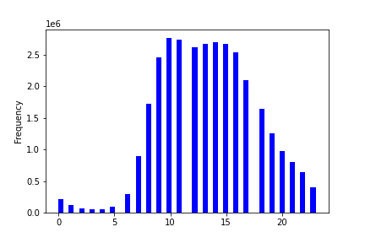
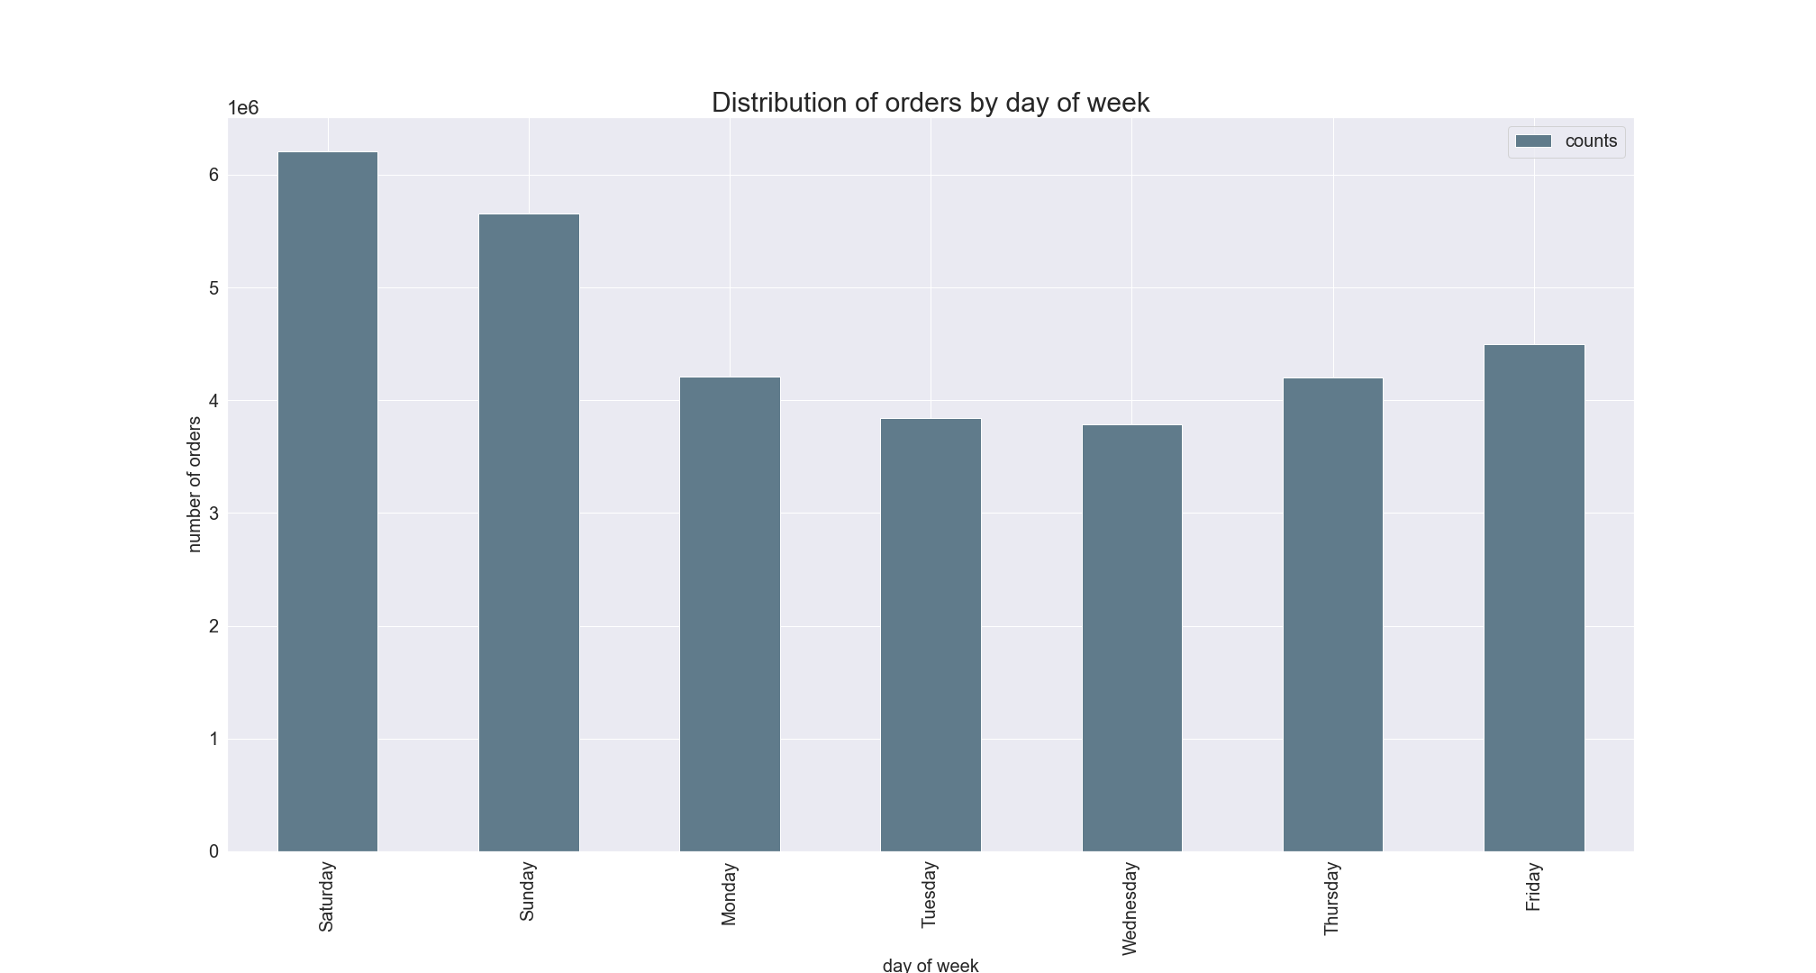

This histogram shows the number of orders placed at each hour of day. We can see that most of the orders are placed starting from 9 am till 4 pm. It is recommended to schedule ads outside of this time period.
This histogram shows the number of orders placed at each hour of day. We can see that most of the orders are placed starting from 9 am till 4 pm. It is recommended to schedule ads outside of this time period.

RECOMMENDATION: Possible off-peak incentives to boost sales during these hours/days. Schedule ads during these hours to increase sales

Q2. They also want to know whether there are particular times of the day when people spend the most money, as this might inform the type of products they advertise at these times.

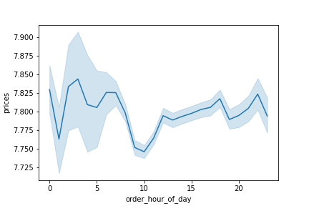

RECOMMENDATION: Sales team should analyze the time 12pm and 7am in order to place ads for high range products. Offer incentives to purchase high range products using countdown/timer methods.

Q3. Instacart has a lot of products with different price tags. Marketing and sales want to use simpler price range groupings to help direct their efforts.

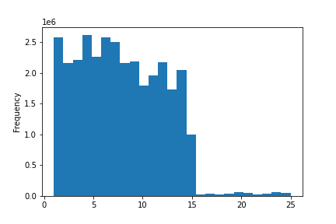
The histogram to the left presents the distribution of prices for products. Here we can see that most of the prices are lower than 15$.

If the item’s price is lower than or equal to $5, it will be labeled a “low-range product.”
If the item’s price is above $5 but lower than or equal to $15, it will be labeled a “mid-range product "
If the item’s price is above $15, it will be labeled a “high-range product.”

The pie chart shows the % composition of orders by product ranges. Here we can see that the largest share of orders(67%) are mid-range products. 31% of the orders are low-range products and only 1% of the orders are high-range products.
The pie chart represents the composition of orders by product ranges. Here we can see that the largest share of orders(66%) are mid-range products 33% of the orders are low-range products and only 1% of the orders are high-range products.

RECOMMENDATION: Low-range products contain 33% of the available products but their share in sales is only 31%. These products should be further analyzed based on frequency of orders.

Q4. Are there certain types of products that are more popular than others? The marketing and sales teams want to know which departments have the highest frequency of product orders.

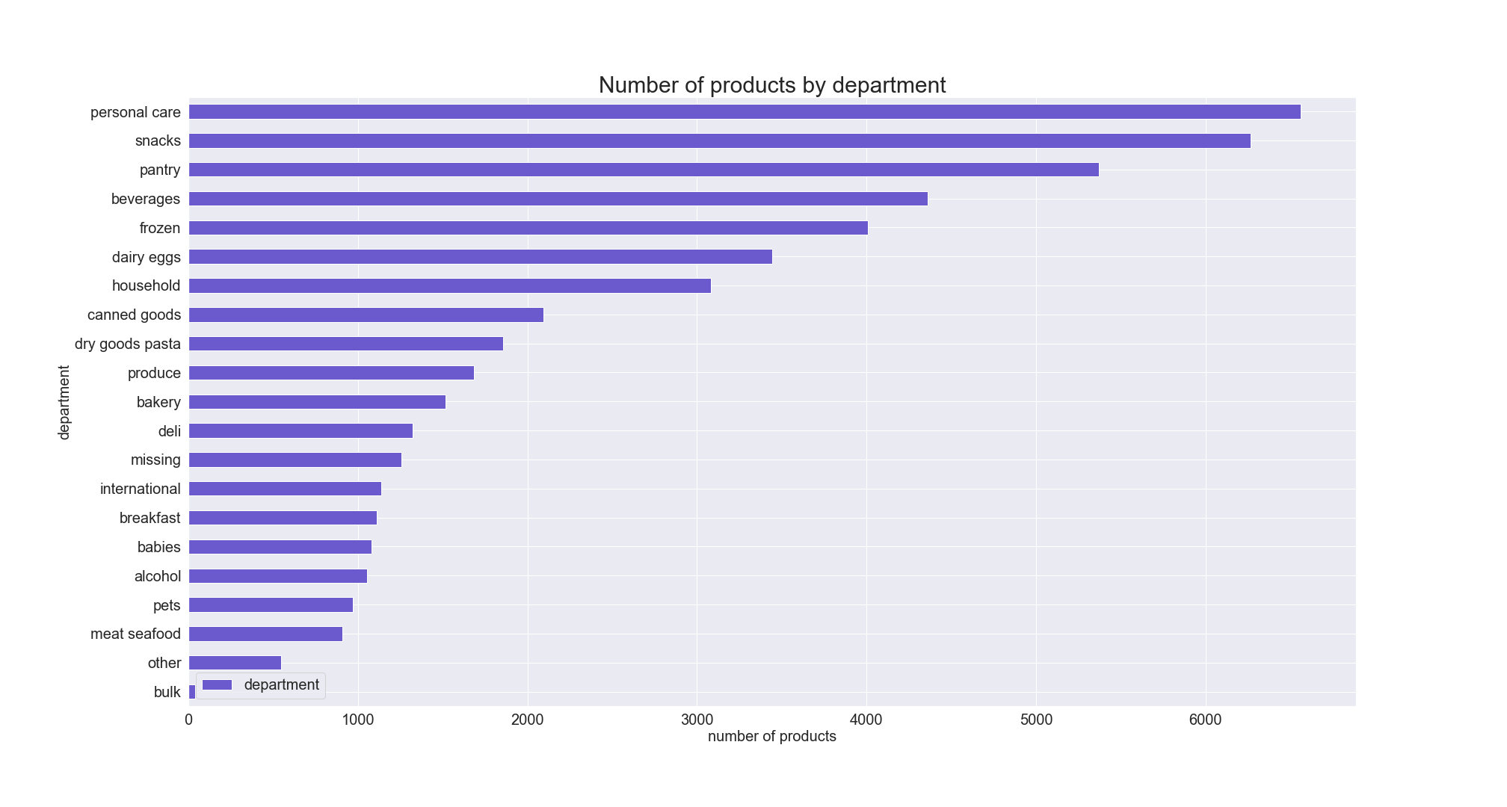

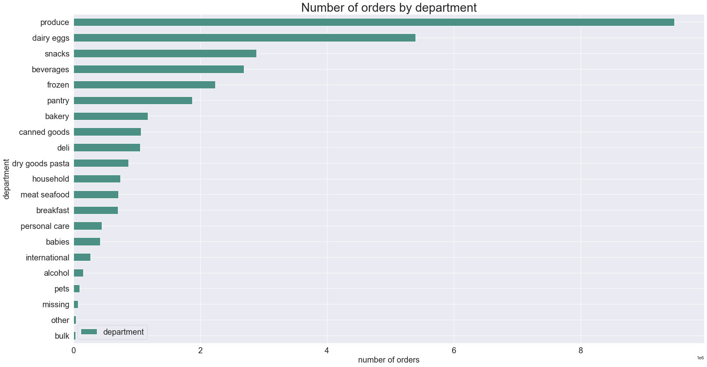

The bar chart above presents number of orders by department. The highest number of purchased products were from produce department, followed by snacks, pantry and beverages. The least number of purchases were made from bulk department.
 | The bar chart above presents number of orders by department. We can notice that the highest number of purchased products were from produce department, followed by dairy eggs, snacks, beverages and frozen departments. The least number of purchases were made from bulk department.

RECOMMENDATION: Special attention should be paid to snacks and beverages, since they are available in large numbers and can be advertized more frequently. The sales for personal care department should be further analyzed for efficiency and maybe advertised more actively, since it contains the highest number of products, but the orders from this department are extremely low in comparison to other departments.

Q5. a. What’s the distribution among users in regards to their brand loyalty (i.e., how often do they return to Instacart)?

Customers were grouped into 3 categories based on the amount of their orders:
'Loyal customer' - more than 40 orders
'Regular customer'- equal to or less than 40 and more than 10 orders
'New customer'- equal to or less than 10 orders

The pie chart represents the composition of orders based on brand loyalty. We can see that around half of the orders are made by regular customers (49%), 32% of orders are made by loyal customers andonly 19% of orders are made by new customers.
The pie chart represents the distribution of customers based on brand loyalty. We can see that almost half of the customers(37%) are regular customers,542% - new customers and only 8%-loyal customers.

RECOMMENDATION: New customers and regular customers should be encouraged to order more by targeted ads. Loyal customers could be rewared for continuing loyalty after a period of time.

Q5. b. Are there differences in ordering habits based on a customer’s loyalty status?

Median days since last order by each loyalty group
Mean Prices by Each Loyalty Group

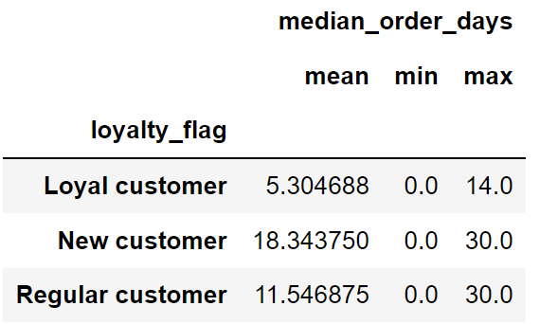
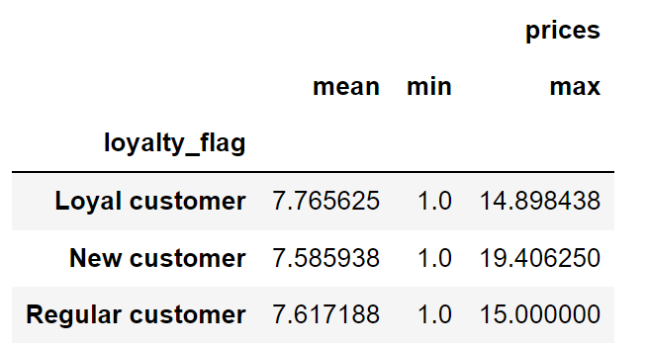

The table above shows the median days between orders for customers based on loyalty flags. The average median days between orders for loyal customers 2 times less than regular customers, and three times less than new customers
The table above shows the mean prices for the loyalty flag. New customers spend the most on average, and regular customers next , and lowest was loyal customers.

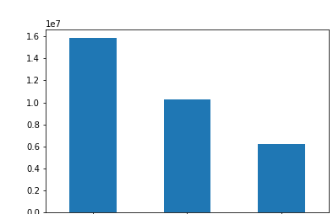
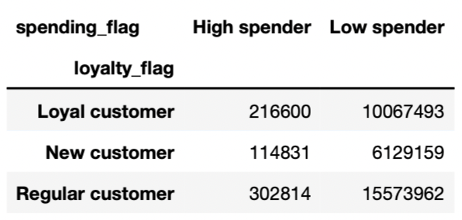

Spending Flag
High Spender
Low spender

The stacked bar chart and crosstab above show the spending habits of each loyalty flag. Regular customers have the most numbers of high spenders,and low spenders. New customers have the least high spending customers and the least low spenders.

Loyal
New
Regular

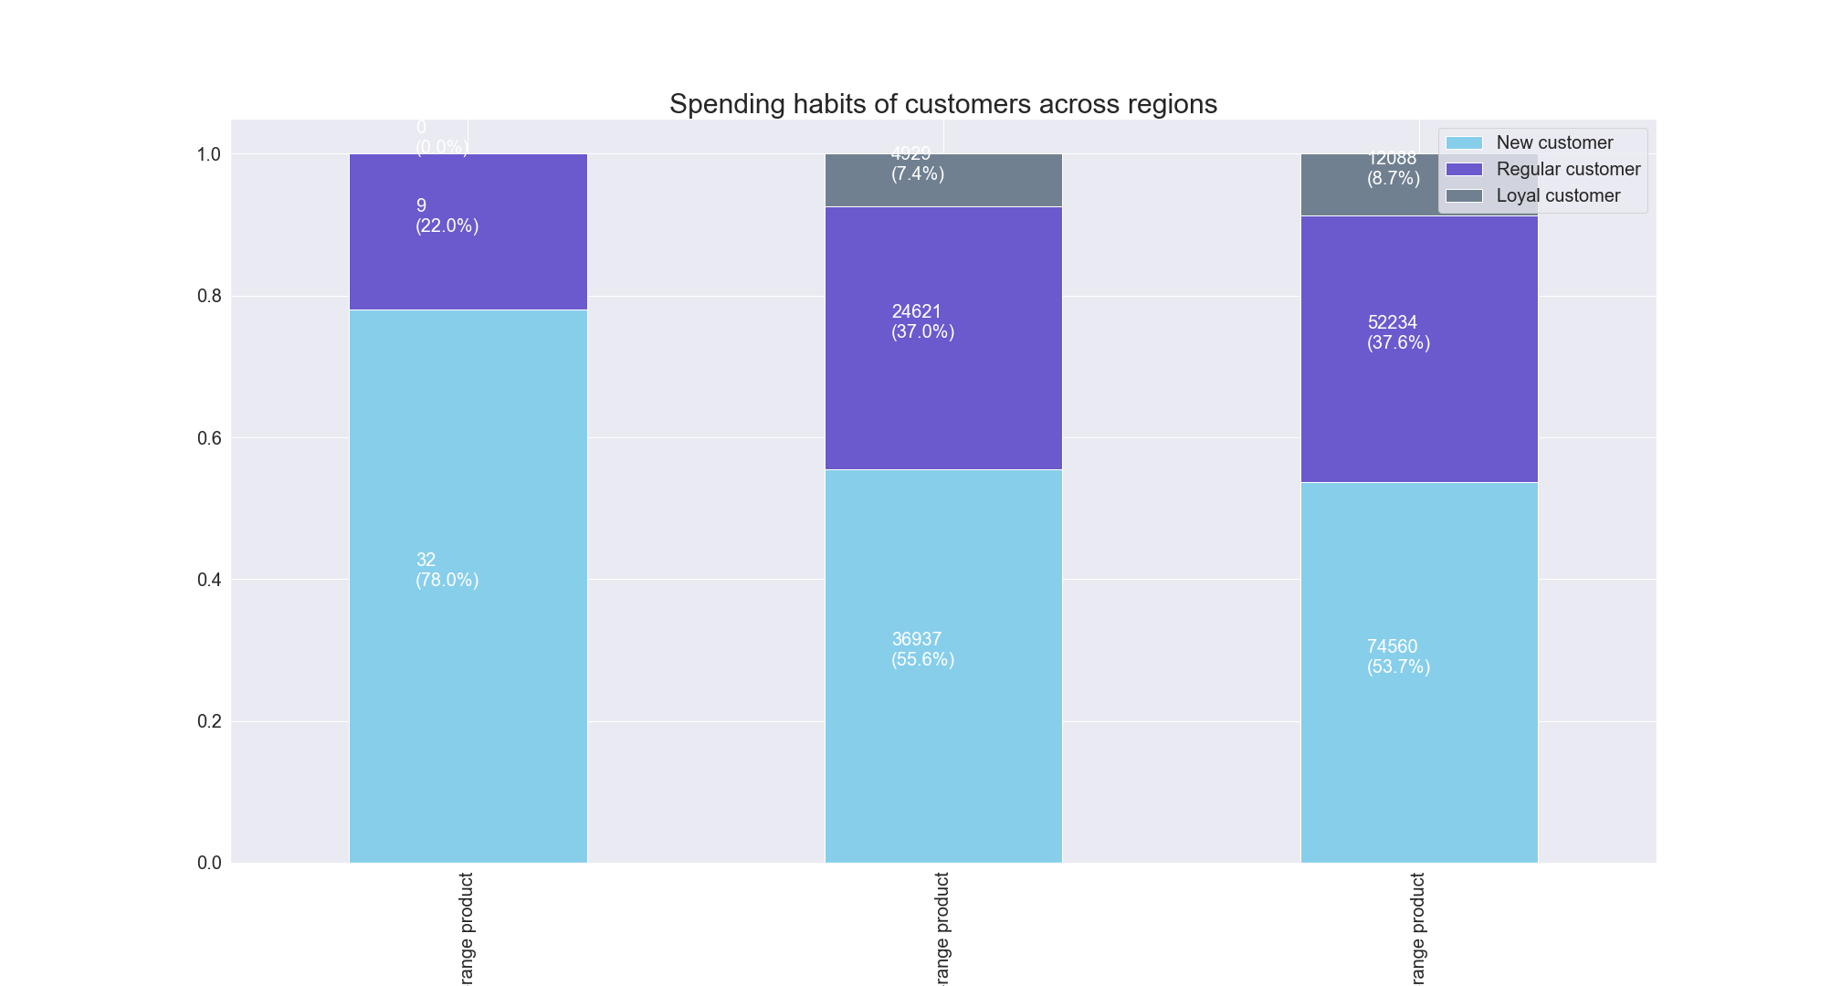

High-Range Product Low-Range Product Mid-Range Product

The stacked bar chart above presents the spending habits of customers based on loyalty brand. We can see that 78% of high-range products are purchased by new customers, while the rest is purhcased by regular customers, loyal customers don't purchase any high-range products. Almost half of the low-range (37.0%) and mid-range (37.6%) products are purchased by regular customer s55.6% of low-range and 41.6% of mid-range products are purchased by new customers. The rest 7.4% of low-range and 8.7% of mid-range products are purchased by loyal customers.

Q5. c. Are there differences in ordering habits based on a customer’s region?

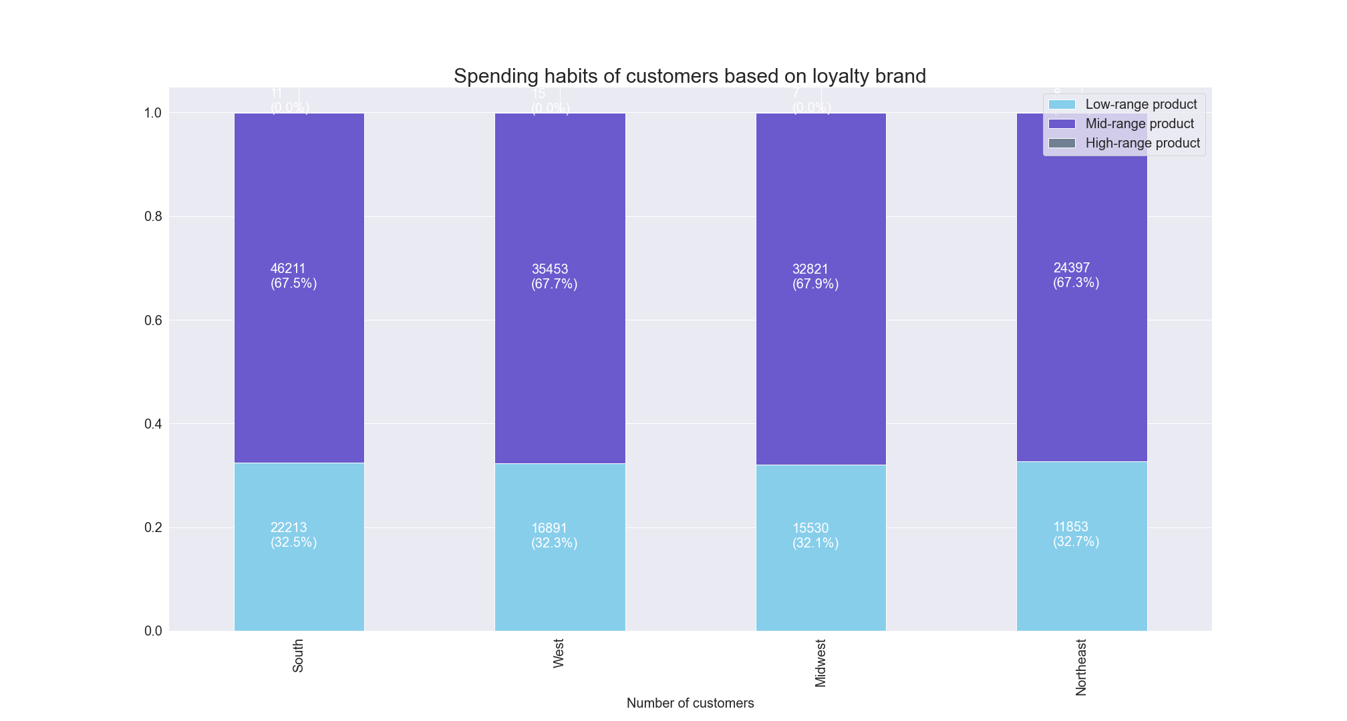
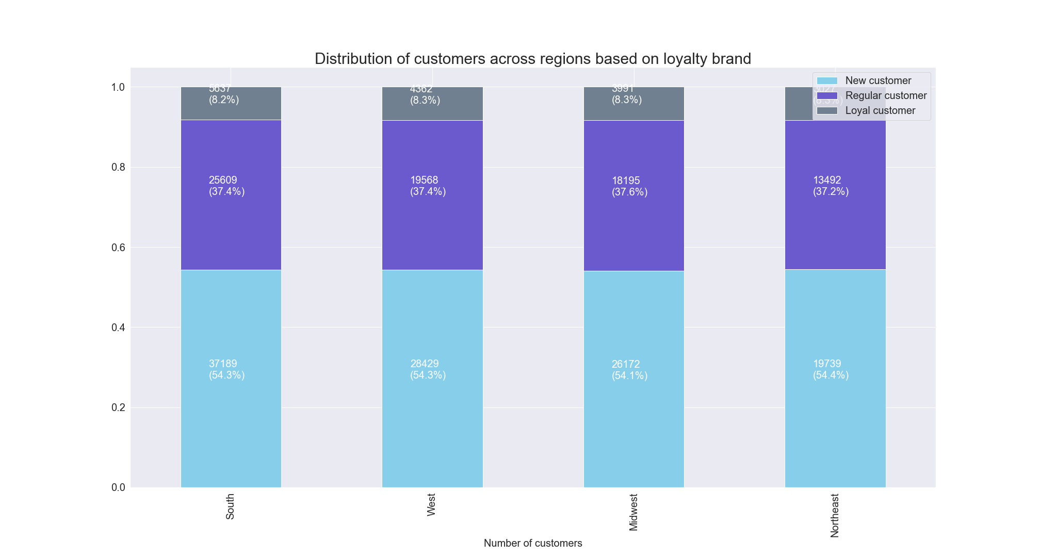

The stacked bar chart represents the distribution of customers across regions based on brand loyalty. It appears that loyalty brands are distributed almost identically across all regions.
The stacked bar chart represents the spending habit of customers across regions based onproduct price range. Products are purchsed simialrly across all four region markets.

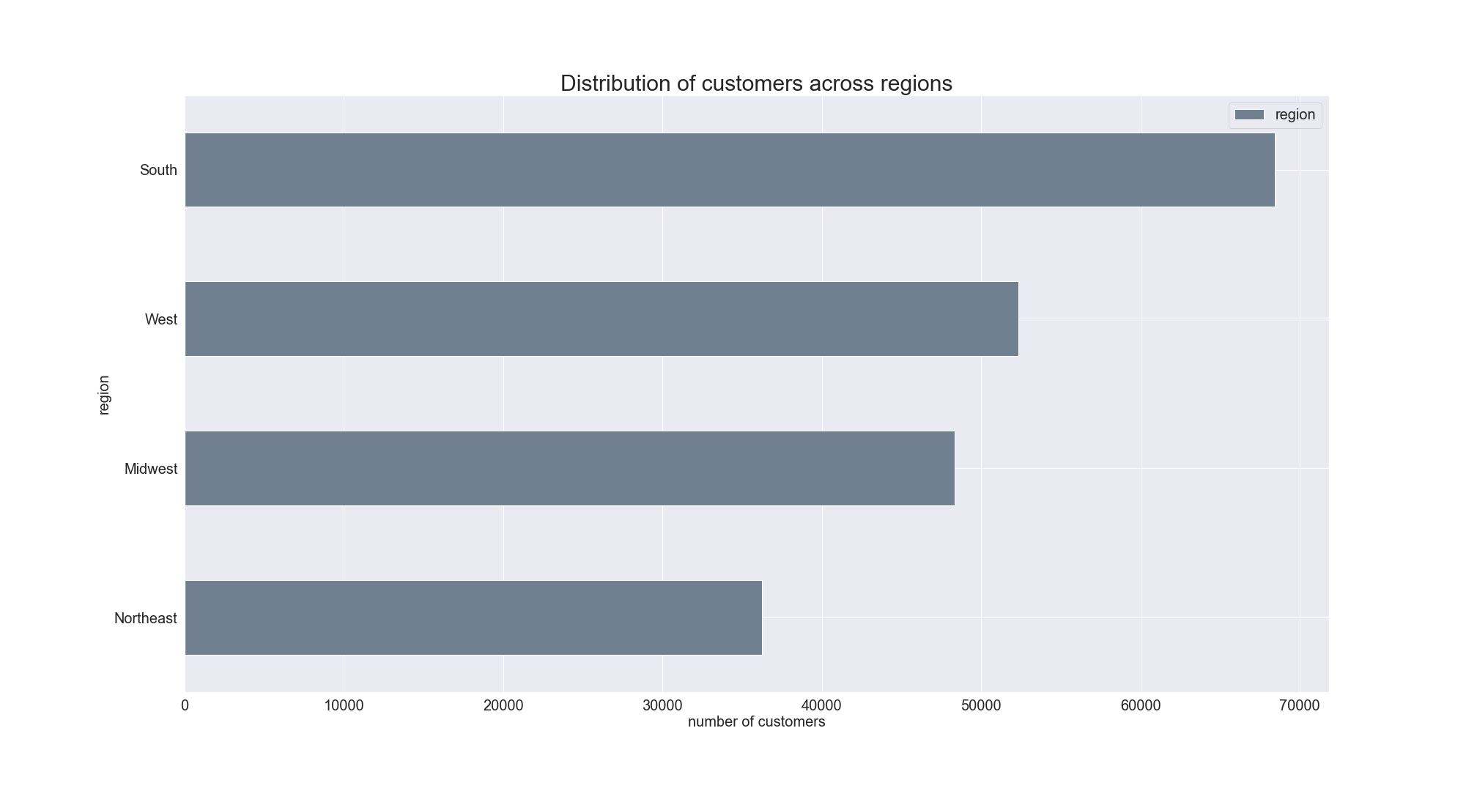

The bar chart represents the number of customers across regions. We can see that the highest number of customers are in South, followed by West and Midwest, while the owest number of customers is in Northeast. These numbers correspond to the population sizes of these regions.

RECOMMENDATION: The number of customers from regions corresponds to the population size of these regions. So the ads should be targeted to increase customer base across all regions. Area specific ads would increase revenue better than generalized ads- with the all areas being so diverse, ads should be targeted to local markets as best as possible.

Q5. d. Is there a connection between age and family status in terms of ordering habits?

Customers were grouped into 3 categories based on their age:
'Young Adult' - 35 or younger
'Adult'- older than 35 and younger than 56
'Senior'- 56 and older

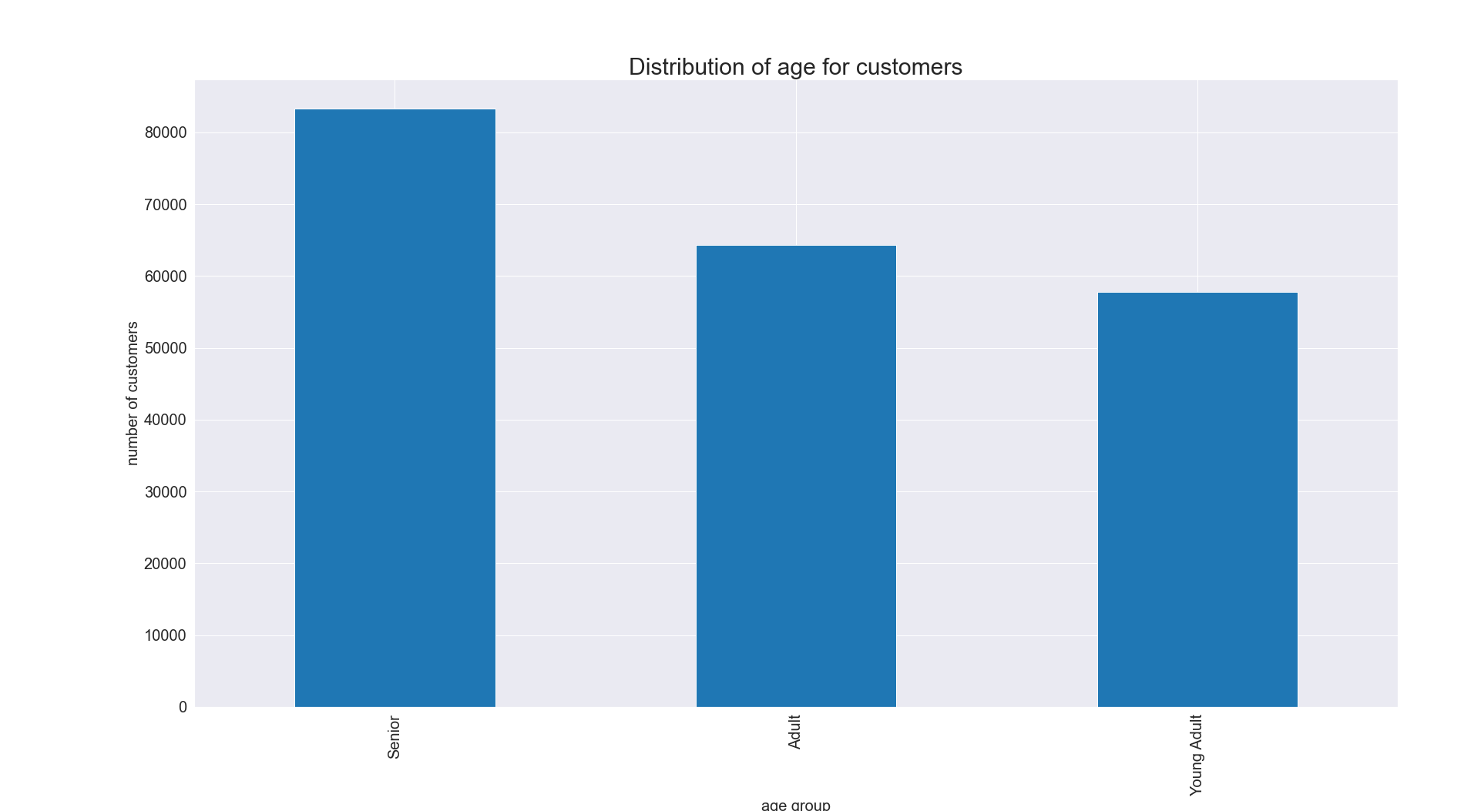
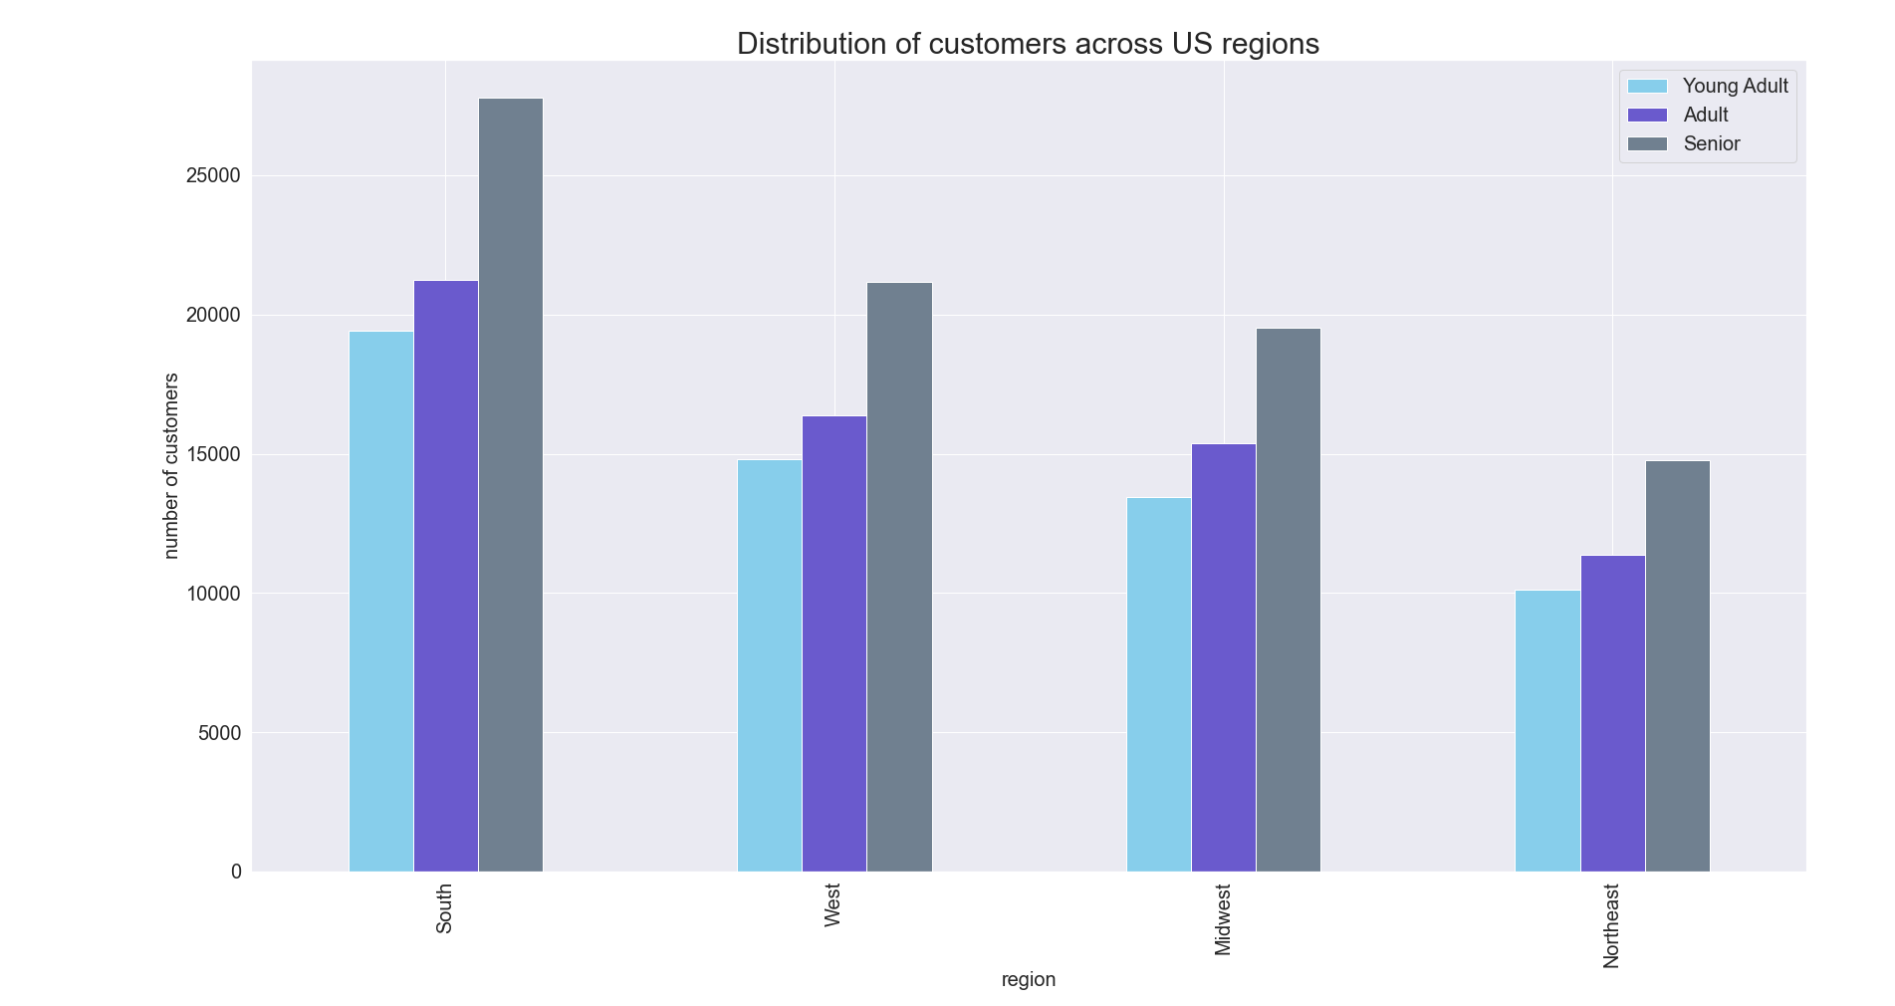

The bar chart represents age of customers across the four geographic regions. This graphs shows that age usage is very similar.
The bar chart represents the distribution of age for customers. The largest group of customers in the Senior group, followed by the Adult and young adult group

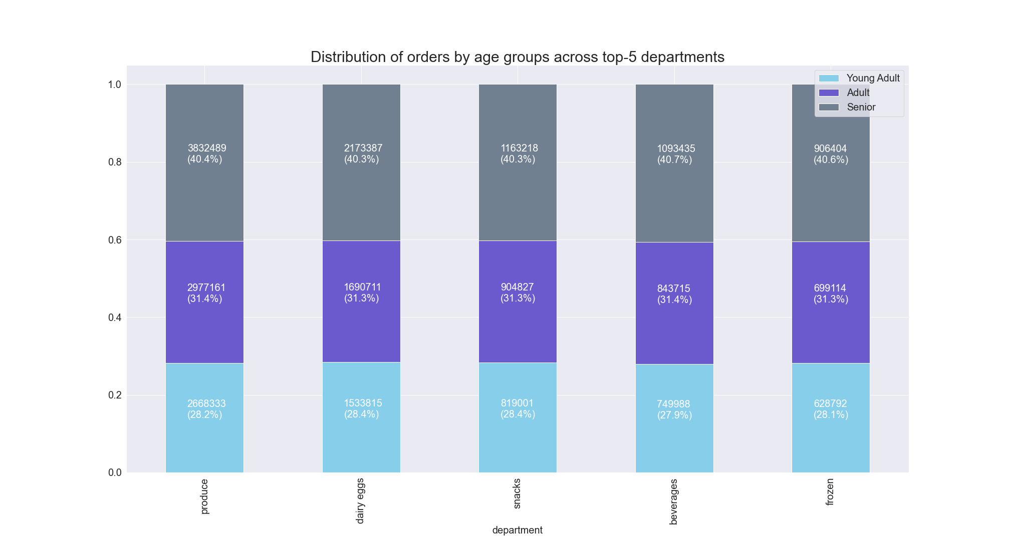

The stacked bar chart shows the distribution of orders by age group across top-5 departments. the distribution of orders and frequency of orders by age group is similar across all 5 departments.

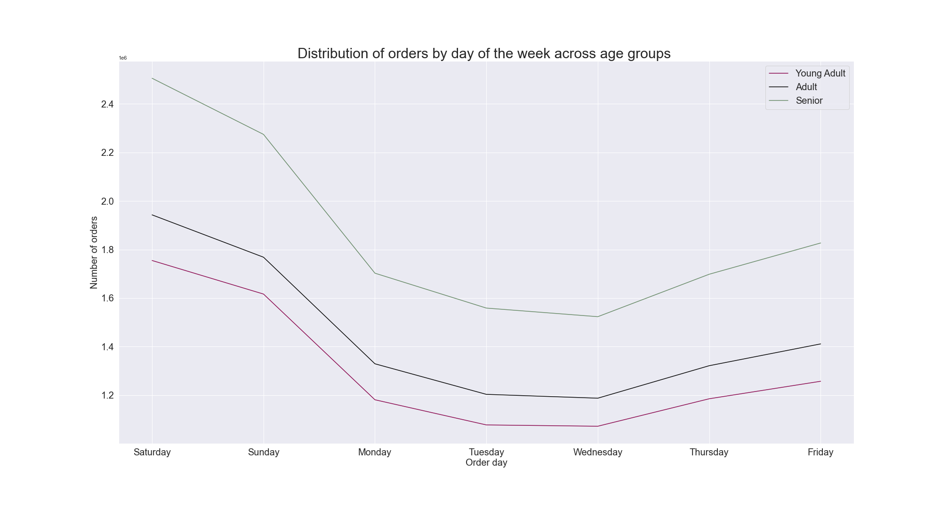
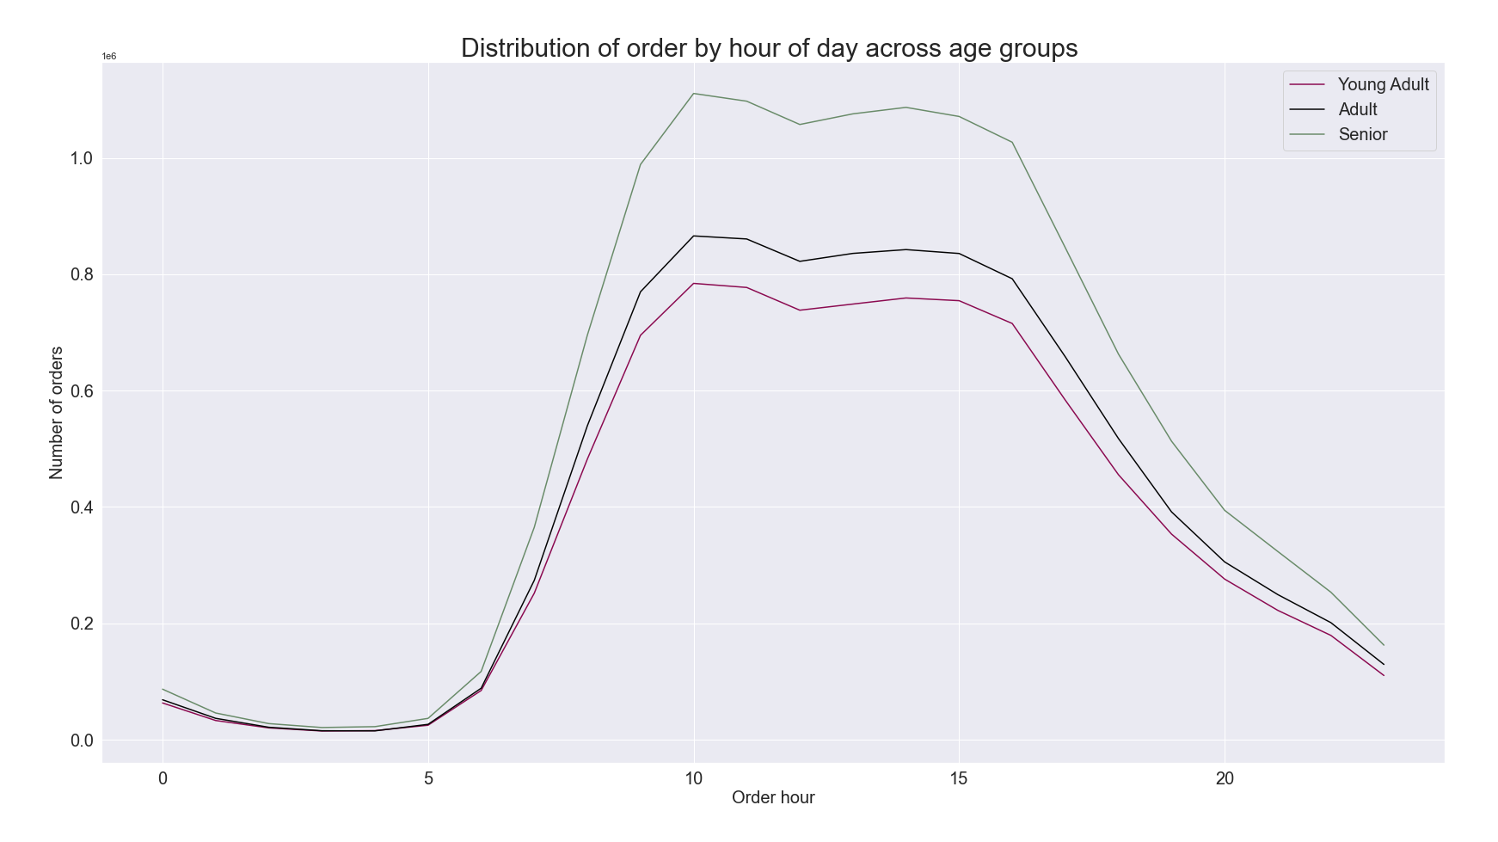

The linechart above shows the distribution of orders by day of the week across age groups. The graph shows, the peak order days are similar for all age groups.
The line chart above shows the distribution of orders by hour of day across age groups. It shows order hours are similar across all age groups. Time from 9am till 4pm is the most popular ordering timer for all age groups.

REGULAR
NEW
LOYAL

The pie charts above showthe distribution of age groups across loyalty groups. WThe percentage of young, middle and older aged customers are approximately equally distributed among all loyalty brands.

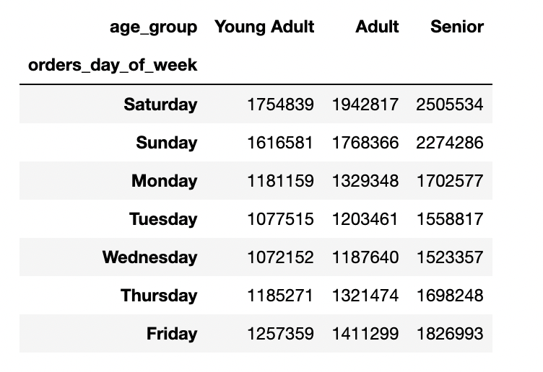


RECOMMENDATION: Ads should be targeted to age based customers based on daily habits. Seniors and Young Adultas order more on Saturday and Sunday so weekend targeting would be appropriate for this age group. Ads should also be ran on lower use days to increae the revenue- Tuesday and Wednesday for Young Adults and Middle Age adults. More Young adults make up the least amount of loyal customers so targeting this group would increae revenue.

Q5. e. What different classifications does the demographic information suggest? Age? Income? Certain types of goods? Family status?

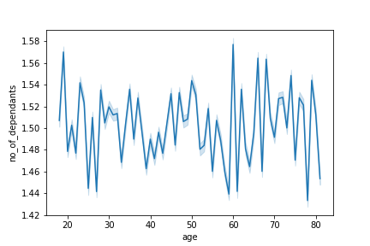

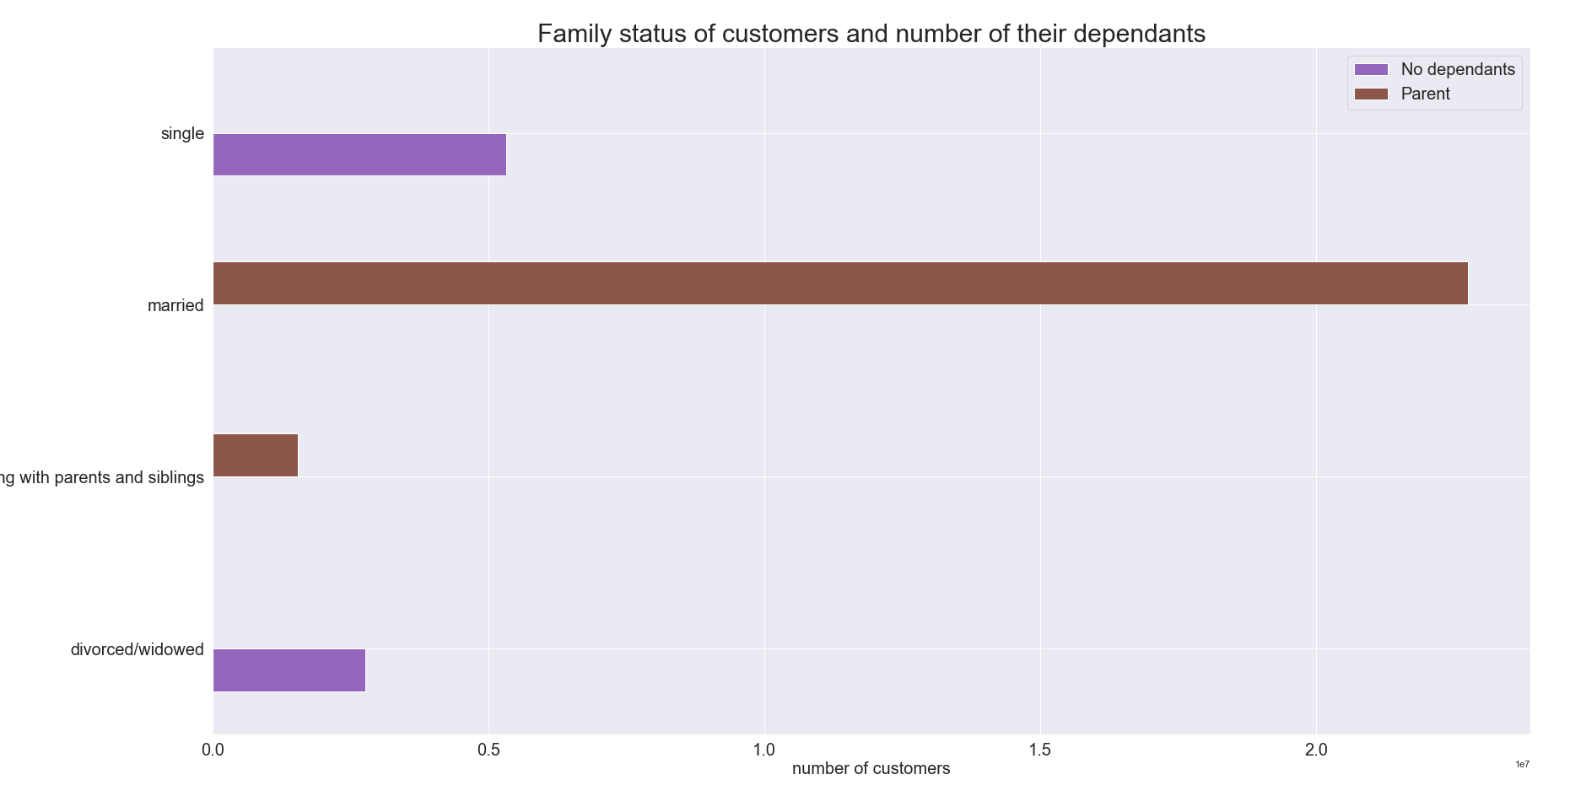

Living with parents and siblings

The bar chart above shows the family status of customers and number of their dependants, we can see that single and divorced\widowed people have no dependants, while all of the married people and people living with parents have dependents We can also notice that around 66% of the customers are married with dependants.
The line chart above shows the relationship between number of dependants and age. There is no correlations between these 2 factors. Customers of all ages could have depednants.

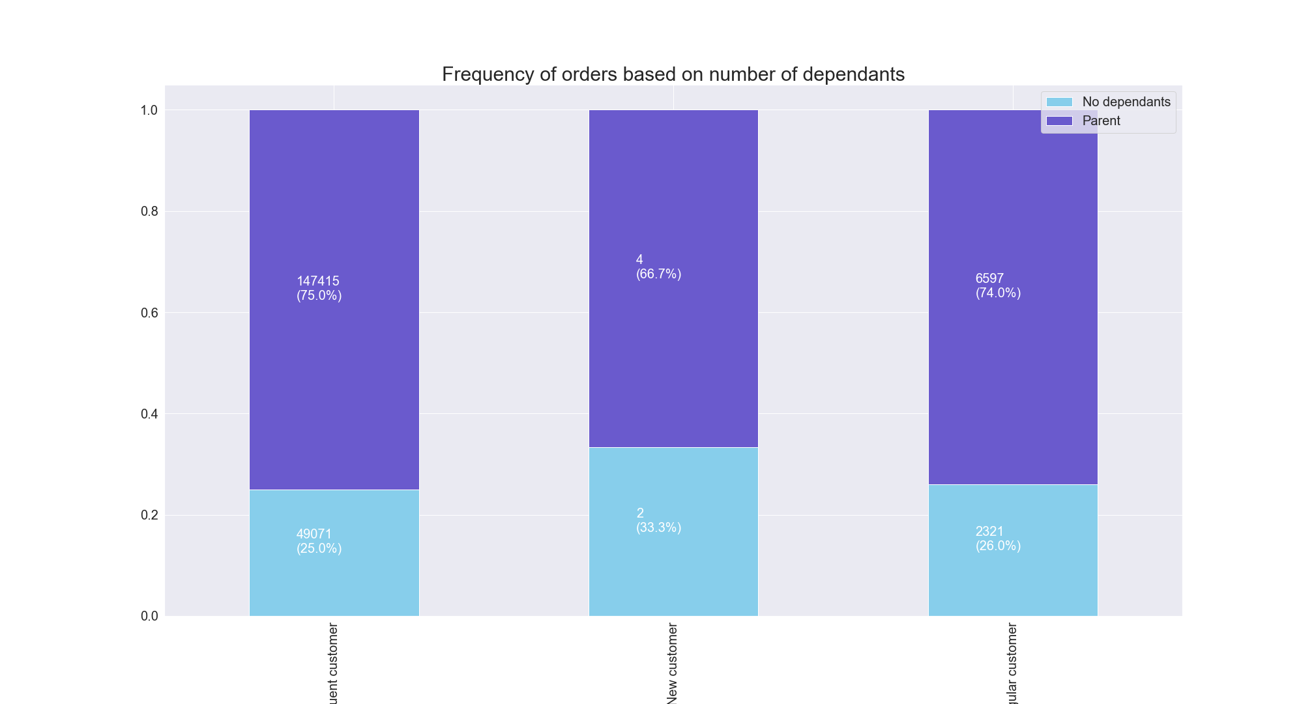

The stacked bar chart above shows the frequency of orders based on number of dependants. We can see that the frequncy of orders changes by a bit based on number of dependants.



The scatterplot above shows the reationship between age and income for customers. The graph shows that the maximum income for people over 40 is around 600,000, while maximum income for people under 40 is 400,000.

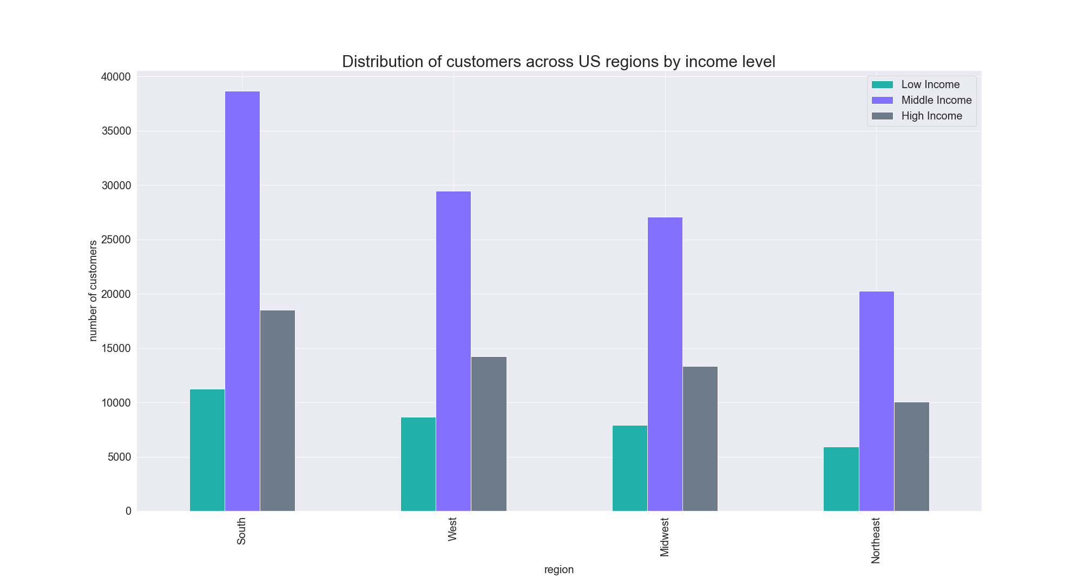
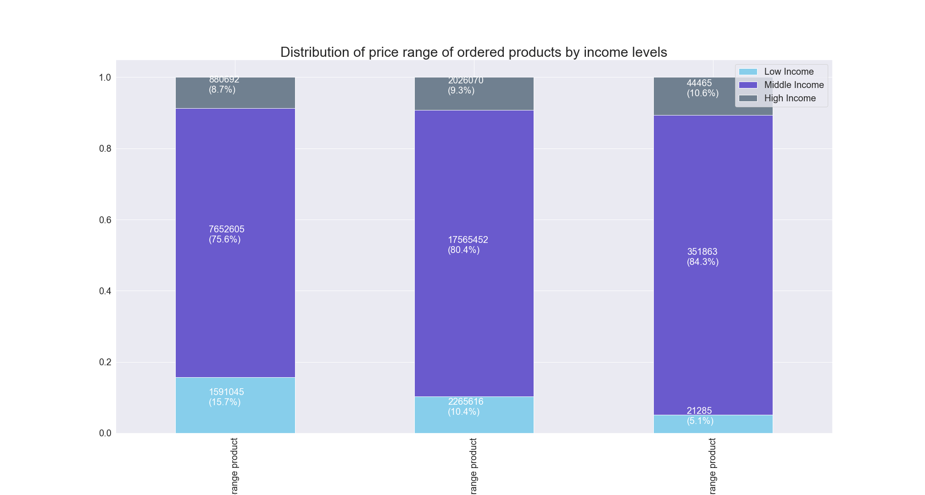

Distribution of income across the 4 regions. When population is taken into account the average is similar across all regions.
This stacked chart shows the distribution of price range of products by income level. As income levels fall, less high price items are purchased.

RECOMMENDATION: Revenue could be increased by advertising more expensive products to customers with higher income and cheaper/mid-range products to customers with lower income based on their order history.

Q5. f. What differences can you find in ordering habits of different customer profiles? Consider the price of orders, the frequency of orders, the products customers are ordering, and anything else you can think of.

Baby Items customers

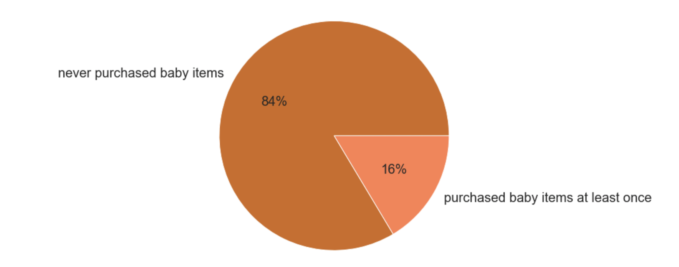

Only 16% of people have purchased baby items from instacart, while 84% have not.

Recommendation: Target parents with ads specifically during times when those with dependants spend the most.

Pet-Parent customers

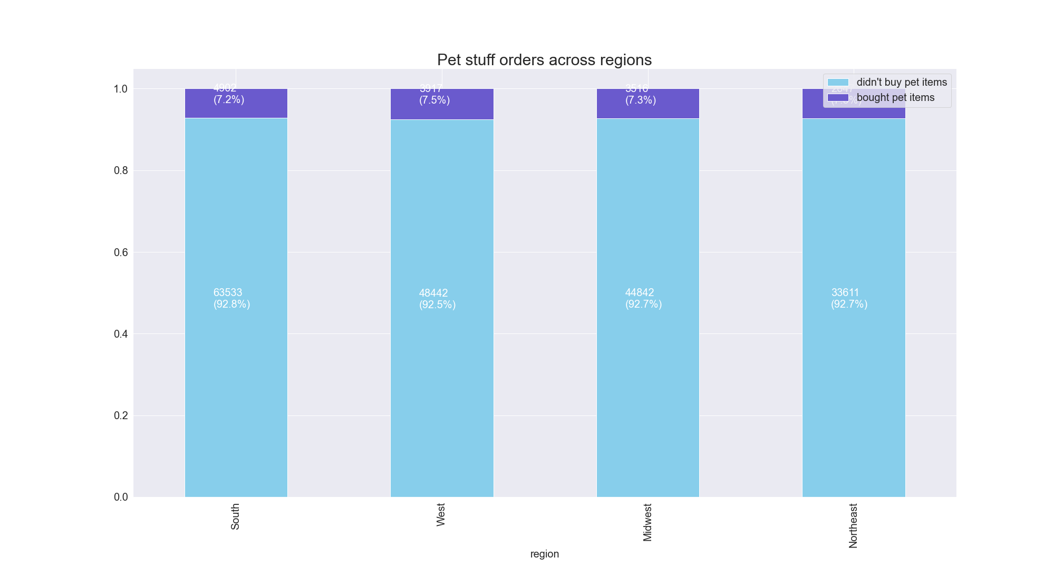
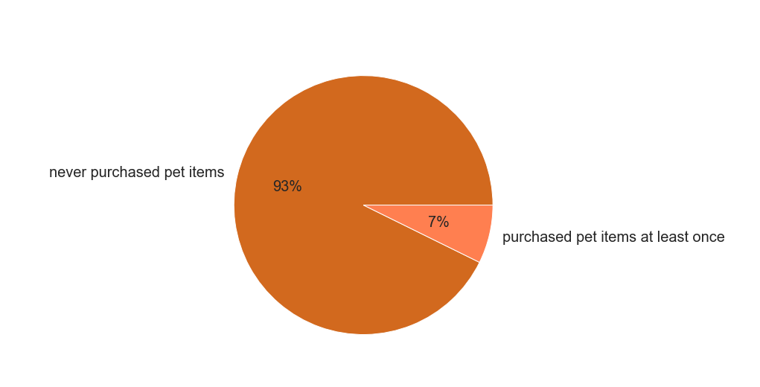

The majority of consumers have not purchased pet items at 93%. Only 7% have purchased pet supplies. Why? Is there competition with other stores? Low pet sales are the same across all four regions.

RECOMMENDATION: Target pet-parents as an emerging market and target ads regionally.

Veggie (Vegan and Vegetarian customers)

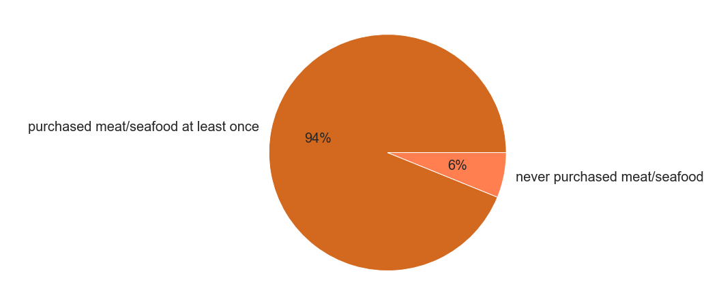

The majority of Instacart users purchase meat and animal products at 94%. Only 6% fall into the veggie status.

RECOMMENDATION: This is a HUGE untapped market with more and more people following a plant based life-style. Marketing to this group would be imperative.

Alcohol consuming customers



A majority of instacart customers have never purchase alcohol at 92%. Only 8% of customers have.

RECOMMENDATION: Another untapped market exists here for targeted ads at consumers, this large market could bring in significant revenue due to the price of alcohol.

7. Recommendations
 |  | Title page

Recommendations

In this tab you should include any recommendations you would made to Instcart in terms of their marketing strategy based on the questions posed in the brief. Every key question has been covered in the Tasks of the Exercises - here you need to add an item - a visualisation or table/crosstable that is showing the answer in the data, acompanied by a comment from you. Please, list the questions below and add the answer underneath.

QUESTIONS | ANSWERS

Q1. The sales team needs to know what the busiest days of the week and hours of the day are (i.e., the days and times with the most orders) in order to schedule ads at times when there are fewer orders. | 1. Most orders are made on the weekends. Target ads/customers during the weekdays when orders are slower. Offer incentives for during the week orders. 2. The busiest hours are between 10 am and 3pm. Target ads for off-peak hours to increase customer ordering.
Q2. They also want to know whether there are particular times of the day when people spend the most money, as this might inform the type of products they advertise at these times. | 1. Highest priced items sell between 12 am and 7 am. Target ads of high priced items to this time frame to increase spending in this product-price bracket.

Q3. Instacart has a lot of products with different price tags. Marketing and sales want to use simpler price range groupings to help direct their efforts. | 1. Low range products make up over 50% of the products sold to instacart customers, yet they only make up just over 30% of the purcahes. Ads targeting low-range products or purchase of multiple lowe range products would be benificial to increase revenue. 2. Mid-range products make up most of the rest of the items sold, so targeting these items wil rewards, or buy one get on half off may be helpful to increae revenue form this bracket.

Q4. A8:A9Are there certain types of products that are more popular than others? The marketing and sales teams want to know which departments have the highest frequency of product orders. | 1. Snacks and beverages should be marketed highly, as they are sold in large numbers. 2. Personal care produts should be looked at to see if marketing in this area would be benficial as this department contains the most amount of items yet has low purchase records. 3. Frequently used items such as dairy, meat and frozen should be marketed seasonally to take advantage of holidays.

Q5. a. What is the distribution among users in regards to brand loyalty? | 1. New customers and regular customer should be encouraged to order more by target ads and incentives. 2. Loyal customers should be rewared for continued usage after a period of time.

Q5. b. Are there differences in ordering habits based on a customers loyalty status? | 1. Regular customers spend both the most and the least amounts. Regualr ads targeting these customers that simultainously thank them and encourage them to buy more would be encouraged. 2. New customers have the least high spenders and increaseing spending limits could be encouraged by incentive marketing

Q5. c. Are there differences in ordering habits based on a customers region? | 1. The number of customer in each region is similar when population is factored in. Local targeted ads would be most benificial in reaching regional customers. Regional items should be considered in marketing to increase individual regional customer numbers and target specific audiences.

Q5. d. Is there a connection between age and family status when ordering? | 1. Target ads to age based customers based on time of day, and day of week. 2. Young adults make up the least amount of customers so targeted ads that are age appropriate to increase this customer base is necessary.

Q5.e. What different classifications does the demographic information suggest? Age? Income? Types of products? Family Status? | 1. Market higher prices goods to those with higher incomes, and those who fall into older categories. 2. Market lower and mid range products to those who fall into the other income brackets. 3. Market to married individuals with dependants who make up 66% of the market. 4. Use order history to direct ads, making sure to market appropriately.

Q5.f. What difference can be found in ordering habits in different customer profiles | 1. Target parents with ads specific for products needed for those with children. Reminders to customers to update personal information so children age is appropriate for ads targeted. Use order history to determine approximate age of dependants and market from this perspective. 2. Market to pet-parents with ads specific to pets in household. Use previous orders or survey to determine type of pet. 3. Plant based/veggie/vegan/vegetarian lifetstyles are becoming more and more the norm. Target ads to know followers of these types of diet, market ads encouraging customers who have never purchased plant based products to "try it out". This is a huge untapped market for instacart. 4. Use survey or incentive type of marketing to encourage those who have not purchased alcohol before to try it. This is thesecond largest market that is not utliized and should be looked at seriously as alcohol is a significant revenue draw.

